Milestones and Assurance
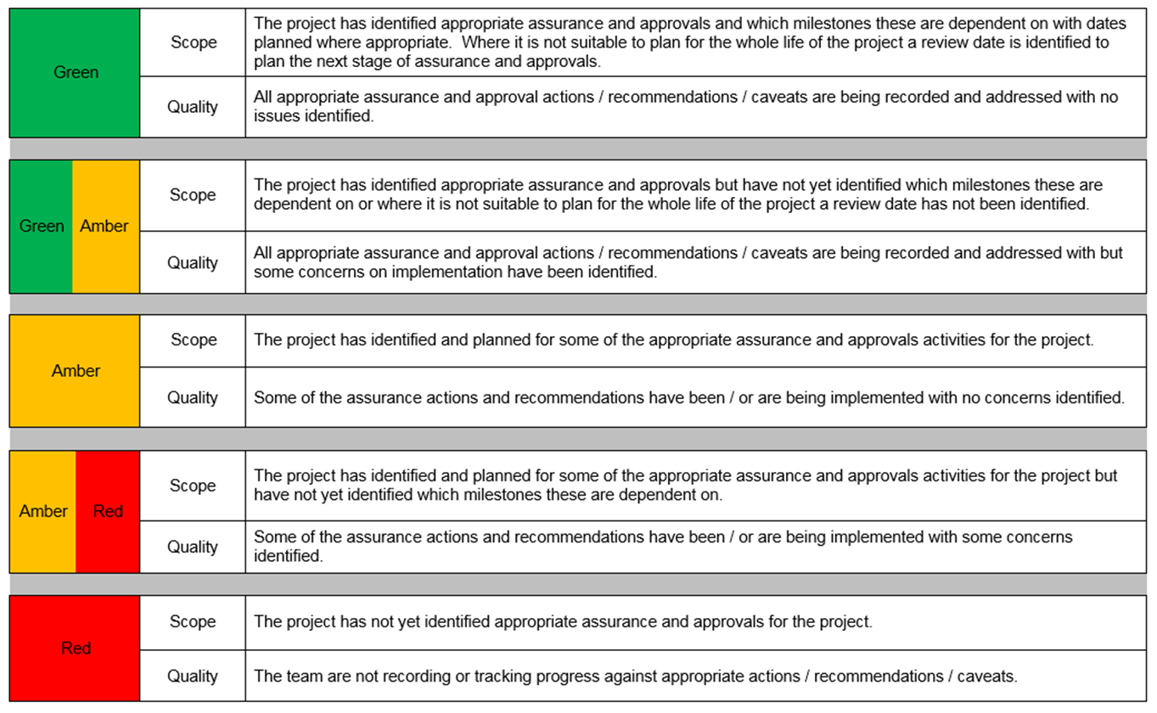
 |  |  |  | OFFICIAL - SENSITIVE (when complete)

 |  |  |  |  |  |  |  | Pre-SOBC
Part 5 - APPROVAL, ASSURANCE AND PROJECT MILESTONES |  |  |  |  |  |  |  | SOBC
Milestones and Assurance |  |  |  |  |  |  |  | OBC

Project Stage | Operate | IAAP | Date Created | 2014-03-18
Project Milestone | FBC |  | Date Revised | 2014-03-18
 |  |  | Version Number | v0.6

Milestones Blue = Mandatory | Original Baseline Date | Latest Approved Baseline Date | Milestone Movement? | Actual/ Forecast Date | Type | Reason for movements/note | Project Initiation
 |  |  |  |  |  |  | Project Initiation
 |  |  |  |  |  |  | Project Initiation
 |  |  |  |  |  |  | Project Initiation
Approvals
SOBC - BICC Approval |  |  |  |  |  |  | Project Initiation
SOBC - HMT Approval
OBC - BICC Approval | 2011-06-21 |  | Yes | 2011-06-21 | Approval - Departmental (BICC) |  |  |  | Sequential
OBC - HMT Approval | 2011-06-21 |  | Yes | 2011-06-21 | Approval - HMT Other
Planning Consents |  |  |  |  |  |  |  |  | Parallel
Pre-PIN Approval |  |  |  |  |  |  |  |  | Assurance and Apporval
Pre-OJEU Approval | 2011-06-09 |  | no | 2011-06-09 | Approval - Departmental (BICC)
Shortlisting BICC Approval | 2011-12-12 | 2011-12-16 | Yes | 2012-01-20 | Approval - Departmental (BICC)
Selection BICC Approval | 2012-06-28 |  | Yes | 2013-02-28 | Procurement
FBC - BICC Approval | 2012-06-16 | 2012-12-17 | Yes | 2013-02-15 | Approval - Departmental (BICC)
FBC - HMT Approval | 2012-06-15 | 2012-12-17 | Yes | 2013-02-15 | Approval - HMT Other

Assurance
Project Validation Review (PVR)
MPA Gate 0
MPA Gate 5 | 2013-06-16 | 2015-12-01 | Yes | 2016-08-01 | Assurance - MPA other
MPA Gate Exit
Gate 2 review | 2011-06-09 |  | No | 2011-06-09 | Assurance - MPA Gate 2
Gate 3 - investment decision | 2012-06-10 | 2012-11-12 | Yes | 2012-11-12 | Assurance - MPA Gate 3
Gate 4 - | 2012-09-15 | 2013-05-13 | No | 2013-05-13 | Assurance - MPA Gate 4
MCA audit | 2015-04-24 | 2015-04-24 |  | 2015-04-24 | Assurance - MPA Gate 3
PWC Review | 2014-10-25 |  |  | 2014-10-25 | Assurance - Other | readiness for service MCA - an external review undertaken by PWC on 25 Oct 2014 to consider programme governance, relationship with supplier, DfT and Cab Office, and readiness for migration. A 2nd phase review will be conducted early 2015
PWC Review

Project (first 10 milestones will be tracked and reported to BICC)
Start of Project | 2010-12-10 |  | No | 2010-12-10 | Project
Start of Construction
Start of Operation | 2012-10-15 | 2013-06-02 | Yes | 2013-06-02 | Project
Project End Date | 2013-06-15 | 2015-06-01 | Yes | 2016-08-01 | Project
Business Case End Date
OJEU notice | 2011-07-18 |  |  | 2011-07-18 | Procurement
Trade Day | 2011-07-06 |  |  | 2011-07-06 | Procurement
ITPD and ISOA issued | 2011-08-26 |  |  | 2011-08-26 | Project
ITC issued | 2011-12-12 |  |  | 2011-12-12 | Project
Migrate DfTc | 2014-10-01 | 2015-04-01 | Yes | 2017-04-01 | Project | Dftc & DVLA migrations have been de-coupled. DfT migration now target at 1/4/2017 (see below for DVLA).
Migrate DVSA | 2015-07-01 | 2015-12-01 | Yes | 2016-12-17 | Project | This reflects latest plans.
Migrate Highways-England | 2014-10-01 | 2015-12-01 | Yes | 2017-12-31 | Project | HE migration has yet to be agreed because of changes to HE corporate organisation and structure. Discussions are on-going at this time.
Migrate DVLA |  |  |  |  |  | Formerly coupled with DFT as Tranche-2 aimed at delivery in Nov-2015, the revised delivery for a singleton DVLA migration is now Dec 2017.

Commentary/Notes | Subject to contracualisation of the heads of terms agreement reached with the supplier, the migration activity relating to DVAL, HE and DfTc will cease and a new milestone of migrating all of DVSA (as opposed to just the former DSA part) onto a SAP platform.

SRO ASSURANCE CONTINUED
The Confidence / Quality element here is the SRO's overall rating for the quality / confidence of the assurance undertaken on the project and the projects / programme's response to any recommendations following these assurance activities.

 | Assurance |  | Appropriate monitoring mechanisms are in place to assure the quality of migration deliveries and provide early warning of issues and risks, supplemented by a number of independent reviews to validate arrangements. Despite these controls, the history of difficulties, delays and the hiatus following tranche-2 migration deferral has resulted in further re-planning and option analysis mean that, presently the RAG status is AMBER-RED. On-going re-planning and commercial discussions will incorporate lessons learned from previous review assessments and consideration of a tightening of controls and even more regular monitoring of progress arrangements, to ensure delivery timeframes remain achievable and on track for the remainder of the programme
SRO Confidence/Quality RAG Rating - Assurance Activities | Internal | Amber Red
 | External | Amber Red

This section is for the SRO to make an assessment (using the RAG ratings provided) of the coverage of the assurance and approvals activities that is planned over the next two years or to the end of the programme/ project whichever is sooner.
 | Assurance/Approvals |  | As above.
SRO Scope RAG Rating - Assurance & Approval Activities | Internal | Amber Red
 | External | Amber Red

